Sheet1
 | If empty list : display overlay help
bootstrap
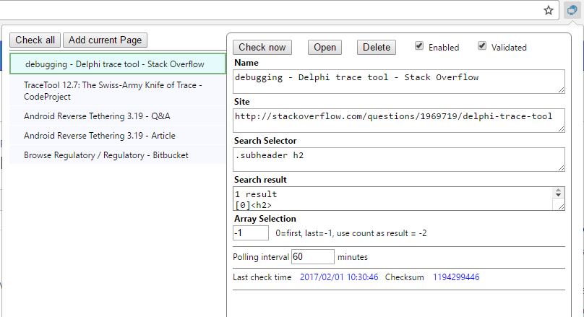
Import/export button

Move up / down

Click to add current page to scanner list
Show last update time

<ul> : manage Up and down keys

type script declaration file
https://www.typescriptlang.org/docs/handbook/declaration-files/introduction.html
http://definitelytyped.org/

bower : tracetool.js

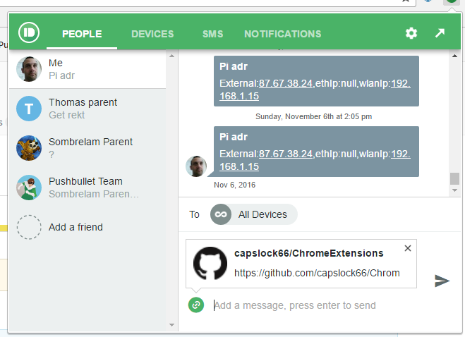
http://www.w3schools.com/bootstrap/bootstrap_tooltip.asp
http://www.w3schools.com/css/css_tooltip.asp
http://www.w3schools.com/code/tryit.asp?filename=FCAJCISBK1RZ
http://www.w3schools.com/bootstrap/bootstrap_ref_js_tooltip.asp
http://www.nickstakenburg.com/projects/prototip2/
http://www.cssportal.com/css-tooltip-generator/

